Sheet1
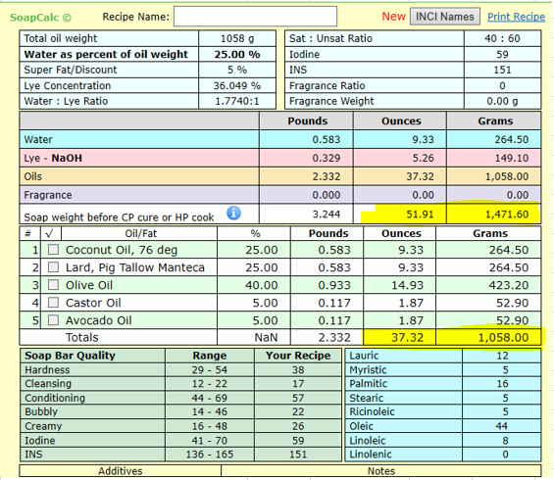
Calculating oils for a soap mould (mold)

Soap mold dimensions |  |  |  |  | Instructions:
 | Grams & cms | Ounces & inches | Water weight grams | Water weight OZ | Choose the either to measure your mold or fill with water. Then fill in the appropriate column depending on whether you use imperial or metric | 
Width |  |  | Put water weight in the volume box | Put water weight in the volume box
Length |  |  |  |  | If you use Grams - fill in all |  | boxes
Height - the height you want your bars to be |  |  |  |  | If you use ounces - fill in all |  | boxes
 |  |  |  |  | If you use water in grams - fill in all |  | boxes
Volume | 0 | 0.00 |  |  | If you use water in ounces - fill in all |  | boxes

% of oils in recipe
 |  |  |  |  | How to calculate % of oils:
Oils needed | 0 | 0 | 0 | 0 | Look at your recipe (soapcalc used as example):


 |  |  |  |  | Fill in the grey boxes (choose g or oz) |  | G | OZ
 |  |  |  |  | Total soap weight (see highlighted yellow)
 |  |  |  |  | Total oils (see highlighted yellow)

 |  |  |  |  | Oil % |  | #DIV/0! | #DIV/0!

